Sheet1
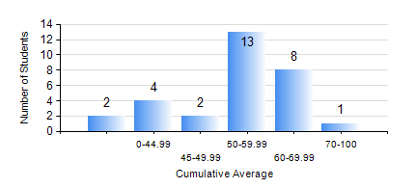
 |  |  | KWAME NKRUMAH UNIVERSITY OF SCIENCE AND TECHNOLOGY, KUMASI Department of Mechanical Engineering

 |  |  | BSC. MARINE ENG.

 |  |  | COMPREHENSIVE RECORD OF EXAMINATION RESULTS

 |  |  | RESULTS OF YEAR 1 FIRST SEMESTER, 2022/2023 ACADEMIC YEAR

 | Sn | Course Code |  | Course Name | Credit Hours | Min. Mark | Max. Mark | Avg. Mark | Std. Dev. | No. Passed | No. Trailed | No. (Df) | No. (I) | No. (I*) | No. Tagged(I,I*,Df) | Total
 | 0. |  |  |  |  |  |  | 0 | 0 | 0 | 0 | 0 | 0 | 0 | 0 | 2
 | 1. | EE 151 |  | APPLIED ELECTRICITY | 3 | 0 | 60 | 42 | 11.97 | 25 | 3 | 0 | 0 | 0 | 0 | 28
 | 2. | ENGL 157 |  | COMMUNICATION SKILLS I | 2 | 40 | 85 | 62 | 10.41 | 27 | 1 | 0 | 0 | 0 | 0 | 28
 | 3. | FC 181 |  | FRENCH FOR COMMUNICATION PURPOSES I | 2 | 40 | 82 | 62 | 12.26 | 27 | 1 | 0 | 0 | 0 | 0 | 28
 | 4. | MATH 151 |  | ALGEBRA | 4 | 28 | 82 | 57 | 14.22 | 26 | 2 | 0 | 0 | 0 | 0 | 28
 | 5. | ME 157 |  | INTRODUCTION TO INFORMATION TECHNOLOGY | 2 | 42 | 78 | 53 | 8.29 | 27 | 1 | 0 | 0 | 0 | 0 | 28
 | 6. | ME 159 |  | TECHNICAL DRAWING | 3 | 40 | 82 | 57 | 8.97 | 27 | 1 | 0 | 0 | 0 | 0 | 28
 | 7. | MME 155 |  | MARINE ENVIRONMENTAL STUDIES | 2 | 40 | 81 | 60 | 11.58 | 27 | 1 | 0 | 0 | 0 | 0 | 28
 | 8. | MME 195 |  | MARINE ENGINEERING TECHNOLOGY | 2 | 41 | 79 | 60 | 11.08 | 27 | 1 | 0 | 0 | 0 | 0 | 28

